Plan
Training Plan Software Engineer
Trainer | Nguyen Ngoc Thuong
Name | Trần Huỳnh Như
Posision | R&D Intern
Department | R&D Team
Probation Period | 4/11/2025-3/02/2026

No. | Work | Work Description | Week | Notes / Comments
1 | Introduce: Factory tour, RD Team |  | Week 1
2 | Altium Essential Design Exercises |  | Week 2, 3
3 | Project 1 |  | Week 4, 5, 6
 | Review & Assessment
4 | Embedded Software |  | Week 7
 | Emdedded C Programming
 | Lesson 1: Overview of Digital Systems | Binary/Octal /Decimal/Hexadecimal
 | Lesson 2: Basic of Logic Gates | AND/OR/NOT….
 | Lesson 3: Data types,variables, declarations | typedef, enum….
 | Lesson 4: Const and volatile type qualifiers | define, const…
 | Lesson 5: Arrays, Structures, Unions
 | Lesson 6: Pointers and casting | Pointers with Arrays, Structures, Unions
 | Lesson 7: Logical Operations, Bit Operations | add, sub, shift, !, ~
 | Lesson 8: Conditional Execution | if, else, case, break, continue, return
 | Lesson 9: Loops : for, while, do while | break point
 | Lesson 10: Functions | Declaration vs Definition, Pass by Value vs Reference
 | Lesson 11: Header Files, Source Files
 | Lesson 12: Library
 | Lesson 13: Rules | C-18, MISRA-C….
 | Lesson 14: Expansion, Q&A | Documentation, source learning…(www.geeksforgeeks.org)
5 | Embedded Software |  | Week 8, 9
 | Git & GitHub
 | Lesson 1: Overview of git & github | SVN vs CVN
 | Lesson 2: Install git & github account | Server Store
 | Lesson 3: Config git user/email | set global, local user, email
 | Lesson 4: Create and config SSH key | create, add SSH key to GitHub account
 | Lesson 5: Git command basics | add, commit, clone, log…
 | Lesson 6: Git push, pull, remote…
 | Lesson 7: Git merge, conflict
 | Lesson 8: Git checkout, branch, tag
 | Lesson 9: GitHub, GitLab
 | Lesson 10: Expansion, Q&A | Documentation, source learning…(www.geeksforgeeks.org)
6 | Embedded Software
 | Embedded Systems Programming on ARM Cortex-M3/M4 Processor
 | Exercise 1: INITIAL CONSIDERATION | Introduction – Goals – Hardware and Software resources. Softwares installation necessary.
 | Exercise 2: MCU CONCEPTS | Explore important microcontroller hardware and software documentation. Find in firmware examples. SWD, JTAG debugs
 | Exercise 3: GPIO CMSIS & HAL | Explore HAL and LL reference document. GPIOs struct.
 | Exercise 4: CLOCK SOURCES | Learn about MCUs AHB, APB bus protocols, clock tree.
 | Exercise 5: RESET & BOOT MODES | Behavior Reset and Modes Startup.
 | Exercise 6: POWER CONTROLLER | Understand two main power supply schemes.
 | Exercise 7: LOW-POWER MODES | Sleep mode, stop mode,…. and wakeup.
 | Exercise 8: EXTI HAL & INTERRUPT | Understand External Interrupt main features and it’s concept.
 | Exercise 9: PWM | Explore PWM features and implement a solution to control LED brightness.
 | Exercise 10: IC (input capture) | Explore Input Capture features and implemente a frequencimeter solution, capable to retrieve frequency and pulse width values.
 | Exercise 11: TIMER | Explore general-purpose timer concepts in order to create and understand a timer period elapsed interruption application.
 | Exercise 12: IWDG | Explore Independent Watchdog basis and create a sample application.
 | Exercise 13: ADC | Understand STM32 main ADC characteristics and create a polling, DMA controller concepts application in order to test the peripheral.
 | Exercise 14: DAC | Understand the STM32 main DAC characteristics and use cases.
 | Exercise 15: UART | Understand STM32 main USART characteristics and create a polling, interrupt, and DMA application in order to test the peripheral.
 | Exercise 16: USB HID & VCP | Understand the USB device library concepts. Implement a USB HID & VCP application and test it with a demonstrator executable file from ST.
 | Exercise 17: EEPROM Emulation | Implement an EEPROM emulation using microcontroller Flash memory sectors.
 | Exercise 18: I2S | Understand the STM32 main I2S protocol concepts.
 | Exercise 19: I2C | Understand the STM32 main I2C concepts. Communicate with the sensor, EEPROM,...
 | Exercise 20: SPI | Understand the STM32 main SPI concepts. Master/Slave/ half, full duplex
 | Exercise 21: RTC | Understand STM32 main Real-time clock concepts.
 | Exercise 22: CRC & RNG | Understand the STM32 main CRC concepts, STM32 Random Number Generator
 | Exercise 23: Expansion, Q&A | Documentation, source learning…(www.st.com)
7 | Projects |  | Week 10
 | a. Alarm Clock | Button, LED brightness control with RTC, EEPROM
 | b. Information dashboard | control SSD1306 display with commands sent by PC
 | c. Digital Audio Player | add LCD, built‑in DAC + audio driver + microphone, onboard push‑buttons for user controls. Expand to record audio using the onboard microphone
 | d. USB HID Mouse Emulator | USB OTG cable to connect the board to a PC, onboard gyroscope, and push‑buttons for input
 | e. LCD + Touch (ILI9341 + XPT2046) | open
 | Review & Assessment | 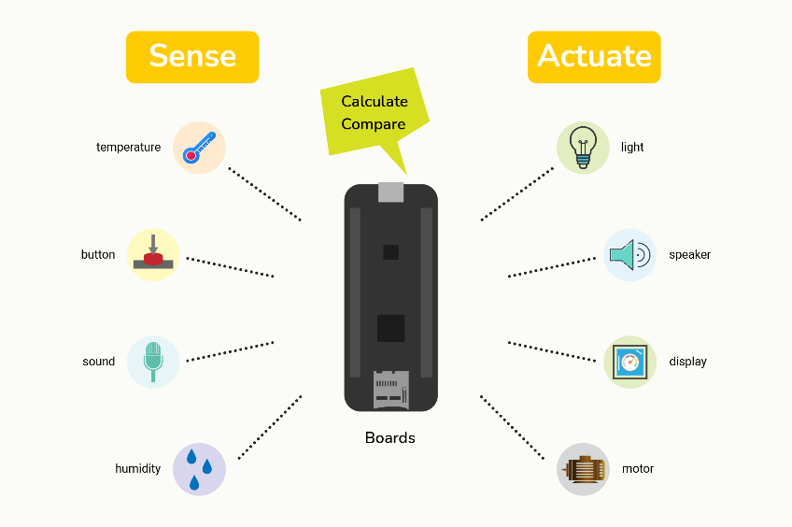
8 | After training, interns work in the team like employees | Assist team operations and contribute to project-related tasks | Week 11,12

